From Fusion 360
SubAssy | Category | Item | Thumbnail | Part Name | Part Description | Make/Buy | QTY | provided | provision notes | Comment | Vendor | Vendor URL
HextrudORT_Carriage_HD12 | BUY | 1 |  | NEMA_LDO_36STH17-1004AHG v6 |  |  | 1 | 0 |  | WARNING!! DO NOT SET CURRENT HIGHER THAN 0.400ma in your printer config file. These motors are Class H and are rated for 180C, they can become VERY HOT and might melt your carriage Spec: https://miragec79.github.io/HextrudORT/docs/LDO-36STH17-1004AHG-RevA_1.pdf Important Note: ref: https://github.com/MirageC79/HextrudORT/issues/9 Depending on source of components, printing tolerances and the fact that the design clearances are reduced to a minimal, you may need to file/trim a section of the Nema 14 motor to clear the XY cross member. This modifcation will not affect motor performance or reliability.
HextrudORT_Carriage_HD12 | BUY | 2 | 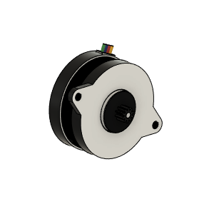 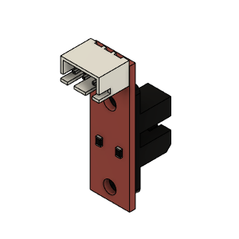 | Opto endstop PM | Optical End-Stop | Buy | 1 | 1 | provided
HextrudORT_Carriage_HD12 | HARDWARE | 4 | 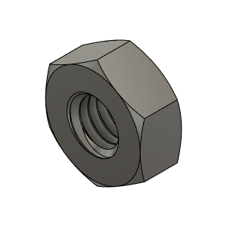 | M3_Nut_94150A325 | Nut, Hex - M3 | Buy | 5 | 6 | 304 stainless
HextrudORT_Carriage_HD12 | HARDWARE | 5 | 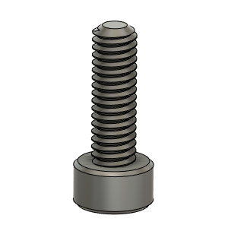 | M2.5X8_CapScrew_92290A058 | Screwm Cap_M2.5 X 8mm | Buy | 1 | 2 | 304 stainless
HextrudORT_Carriage_HD12 | HARDWARE | 6 | 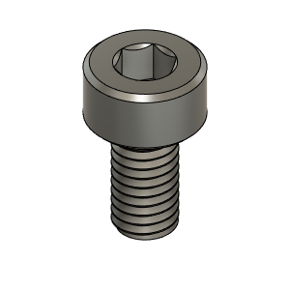 | M3X6_CapScrew_92290A111 | Screw, Cap - M3X6mm | Buy | 5 | 6 | 304 stainless
HextrudORT_Carriage_HD12 | HARDWARE | 7 | 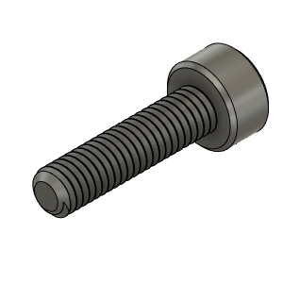 | M3X12_CapScrew_92290A117 | Screw, Cap - M3X12mm | Buy | 2 | 3 | 304 stainless
HextrudORT_Carriage_HD12 | HARDWARE | 8 | 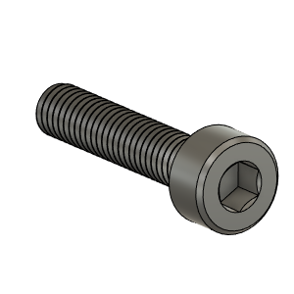 | M3X14_CapScrew_92290A118 | Screw, Cap - M3X14 | Buy | 1 | 6 | 304 stainless
HextrudORT_Carriage_HD12 | HARDWARE | 9 | 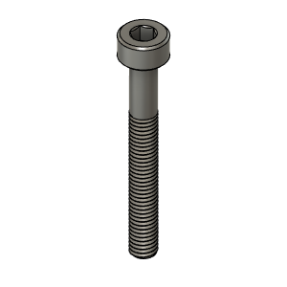 | M3X25_CapScrew_92290A124 | Screw, Cap - M3X25mm | Buy | 1 | 6 | 304 stainless
HextrudORT_Carriage_HD12 | HARDWARE | 10 | 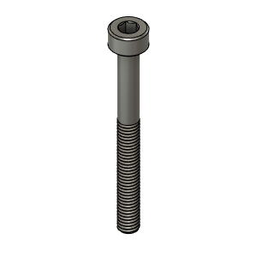 | M3X30_CapScrew_92290A126 | Screw, Cap - M3X30mm | Buy | 2 | 7 | 304 stainless
HextrudORT_Carriage_HD12 | HARDWARE | 11 | 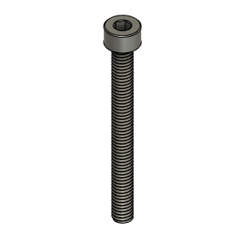 | M4X40_CapScrew_91290A174 | Screw, Cap - M4X40mm | Buy | 1 | 2 | 304 stainless
HextrudORT_Carriage_HD12 | MAKE | 12 | 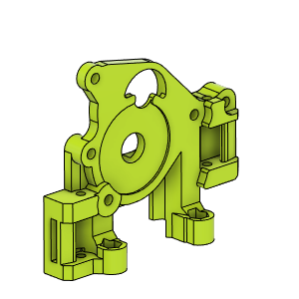 | HextrudORT_HD12_CarriageBAckPlate_Body OR HextrudORT_HD12_CarriageBAckPlate_Body_BB | 3D Printed | Make | 1 | 0 |  | NOTE ! For Big Bearings (MR95 5X9X2.5) use: HextrudORT_HD12_CarriageBAckPlate_Body_BB.stl For Bearing provided with BMG (MR85 5x8x2.5) use: HextrudORT_HD12_CarriageBAckPlate_Body.stl | Thingiverse Alternate: GitHub | https://www.thingiverse.com/thing:4790412 alternate: https://github.com/MirageC79/HextrudORT/tree/main/files/CARRIAGE/HD12/STL
HextrudORT_Carriage_HD12 | MAKE | 13 | 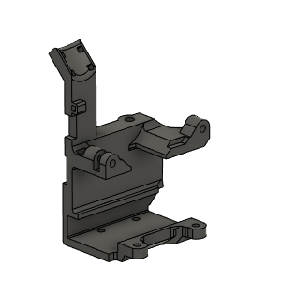 | HextrudORT_HD12_Carriage_Body | 3D PRinted | Make | 1 | 0 |  |  | Thingiverse Alternate: GitHub | https://www.thingiverse.com/thing:4790412 alternate: https://github.com/MirageC79/HextrudORT/tree/main/files/CARRIAGE/HD12/STL
HextrudORT_Carriage_HD12 | MAKE | 14 | 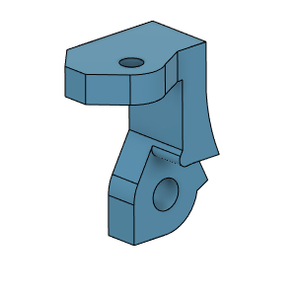 | HextrudORT_HD12_OpticalSupport_Body v2 | 3D Printed | Make | 1 | 0 |  |  | Thingiverse Alternate: GitHub | https://www.thingiverse.com/thing:4790412 alternate: https://github.com/MirageC79/HextrudORT/tree/main/files/CARRIAGE/HD12/STL
HextrudORT_Carriage_HD12 | BUY | 3a | 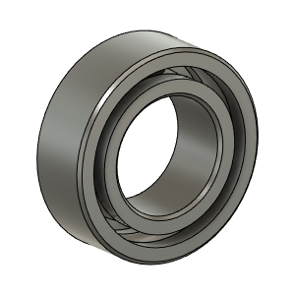 | OPTION B: Bearing_MR85 (from BMG) | Bearing 5X8X2.5 | BUY | 1* | 1 | provided | OPTION B Use MR85 5x8x2.5 bearings from BMG
HextrudORT_Carriage_HD12 | BUY | 3b | 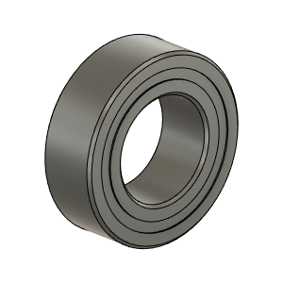 | Bearing_MR95_7804K105 | Bearing, 9X5X3 | Buy | 1* | 1 | provided | OPTION A These are BIGGER bearings than the ones used in the BMG. To be used with Back Plate and cover marked with "BB"

